ADIDAS WINTER JACKETS
ADIDAS WINTER JACKETS
PHOTOS | REF | SIZES | GENDER | LINE | DESCR | QTY | RETAIL | TOTAL | EAN | MADE IN | HS CODES | COMPO 1 | COMPO 2
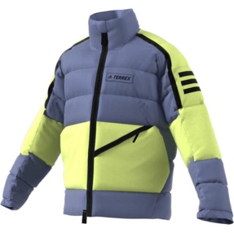 | GQ3689 | L | MEN | Performance | Utilitas Down J | 6 | 250.00 € | 1,500.00 € | 4064054242324 | VN | 620240109100 | Shell: Pertex® Quantum® GL 100% nylon plain weave | 100% PA
 |  | M |  |  |  | 8 | 250.00 € | 2,000.00 € | 4064054242287
 |  | S |  |  |  | 4 | 250.00 € | 1,000.00 € | 4064054238501
 |  | XL |  |  |  | 4 | 250.00 € | 1,000.00 € | 4064054242157
 |  | XS |  |  |  | 1 | 250.00 € | 250.00 € | 4064054242249
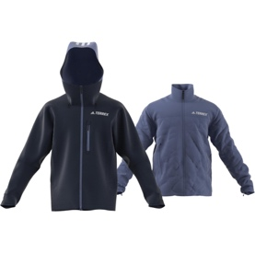 | GT2807 | L | MEN | Performance | Resort 3in1 JKT | 9 | 400.00 € | 3,600.00 € | 4064056745533 | ID | 621020001000 | Shell: 85% recycled polyester, 15% polyester plain weave | 85% REC.PES/15% PES
 |  | M |  |  |  | 16 | 400.00 € | 6,400.00 € | 4064056745465
 |  | S |  |  |  | 7 | 400.00 € | 2,800.00 € | 4064056741788
 |  | XL |  |  |  | 3 | 400.00 € | 1,200.00 € | 4064056745595
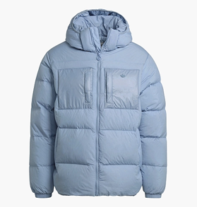 | H13565 | 2XL | MEN | Lifestyle | DOWN REGEN PUFF | 1 | 230.00 € | 230.00 € | 4064055211718 | ID | 620240109100 | Shell: 100% nylon plain weave | 100% PA
 |  | L |  |  |  | 7 | 230.00 € | 1,610.00 € | 4064055211671
 |  | M |  |  |  | 16 | 230.00 € | 3,680.00 € | 4064055211701
 |  | S |  |  |  | 3 | 230.00 € | 690.00 € | 4064055211732
 |  | XL |  |  |  | 3 | 230.00 € | 690.00 € | 4064055211688
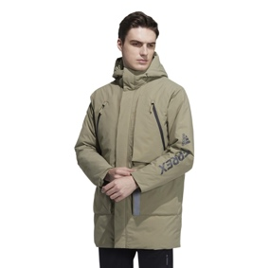 | H13850 | L | MEN | Performance | MID DOWN | 8 | 300.00 € | 2,400.00 € | 4065421811044 | CN | 621020001000 | Shell: 100% nylon plain weave | 100% PA
 |  | L |  |  |  | 8 | 300.00 € | 2,400.00 € | 4065421811044
 |  | M |  |  |  | 9 | 300.00 € | 2,700.00 € | 4065421807405
 |  | S |  |  |  | 6 | 300.00 € | 1,800.00 € | 4065421807375
 |  | XL |  |  |  | 6 | 300.00 € | 1,800.00 € | 4065421807399
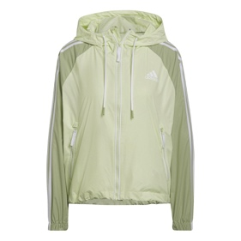 | H65764 | L | WOMEN | Lifestyle | W BSC 3S W.R. J | 308 | 75.00 € | 23,100.00 € | 4065424024601 | ID | 620240109100 | 100% recycled polyester plain weave with durable water-repellent (DWR) coating | 100% REC.PES
 |  | M |  |  |  | 368 | 75.00 € | 27,600.00 € | 4065424028241
 |  | S |  |  |  | 254 | 75.00 € | 19,050.00 € | 4065424024564
 |  | XL |  |  |  | 60 | 75.00 € | 4,500.00 € | 4065424024519
 |  | XS |  |  |  | 86 | 75.00 € | 6,450.00 € | 4065424024595
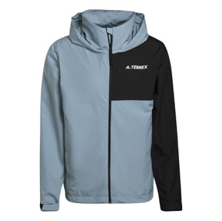 | HA2303 | L | MEN | Performance | MT RR Jacket | 2 | 120.00 € | 240.00 € | 4065423991508 | BD | 621030001000 | Shell: Waterproof 100% recycled polyester plain weave | 100% REC.PES
 |  | M |  |  |  | 1 | 120.00 € | 120.00 € | 4065423995216
 |  | S |  |  |  | 1 | 120.00 € | 120.00 € | 4065423991485
 |  | XL |  |  |  | 1 | 120.00 € | 120.00 € | 4065423995179
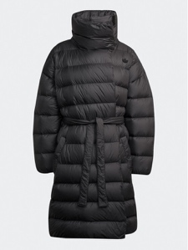 | HK5245 | 30 | WOMEN | Lifestyle | FASHION DOWN | 128 | 330.00 € | 42,240.00 € | 4066747297277 | CN | 620140101900 | Shell: 100% recycled polyester plain weave | 100% REC.PES
 |  | 32 |  |  |  | 345 | 330.00 € | 113,850.00 € | 4066747297222
 |  | 34 |  |  |  | 184 | 330.00 € | 60,720.00 € | 4066747297208
 |  | 38 |  |  |  | 191 | 330.00 € | 63,030.00 € | 4066747297253
 |  | 40 |  |  |  | 17 | 330.00 € | 5,610.00 € | 4066747297345
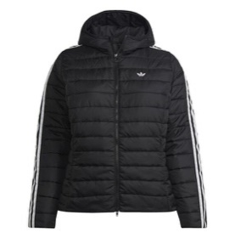 | HL9351 | 1X | WOMEN | Lifestyle | SLIM JACKET | 277 | 100.00 € | 27,700.00 € | 4066747396734 | BD | 620240109100 | 100% recycled polyester plain weave | 100% REC.PES
 |  | 2X |  |  |  | 38 | 100.00 € | 3,800.00 € | 4066747396758
 |  | 3X |  |  |  | 24 | 100.00 € | 2,400.00 € | 4066747396741
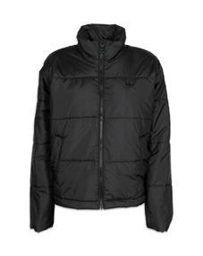 | HM2613 | 32 | WOMEN | Lifestyle | SHORT PUFFER | 7 | 100.00 € | 700.00 € | 4066747427612 | BD | 620240109100 | Shell and lining: 100% recycled polyester plain weave | 100% REC.PES
 |  | 34 |  |  |  | 106 | 100.00 € | 10,600.00 € | 4066747427667
 |  | 36 |  |  |  | 190 | 100.00 € | 19,000.00 € | 4066747426288
 |  | 38 |  |  |  | 201 | 100.00 € | 20,100.00 € | 4066747427575
 |  | 40 |  |  |  | 130 | 100.00 € | 13,000.00 € | 4066747426301
 |  | 42 |  |  |  | 7 | 100.00 € | 700.00 € | 4066747427582
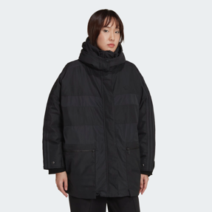 | HM2615 | 28 | WOMEN | Lifestyle | PARKA | 70 | 250.00 € | 17,500.00 € | 4066747430537 | BD | 620240909100 | 100% recycled polyester plain weave | 100% REC.PES
 |  | 30 |  |  |  | 125 | 250.00 € | 31,250.00 € | 4066747430544
 |  | 32 |  |  |  | 325 | 250.00 € | 81,250.00 € | 4066747430582
 |  | 34 |  |  |  | 276 | 250.00 € | 69,000.00 € | 4066747430650
 |  | 36 |  |  |  | 598 | 250.00 € | 149,500.00 € | 4066747430520
 |  | 38 |  |  |  | 239 | 250.00 € | 59,750.00 € | 4066747430513
 |  | 40 |  |  |  | 342 | 250.00 € | 85,500.00 € | 4066747430568
 |  | 44 |  |  |  | 247 | 250.00 € | 61,750.00 € | 4066747430551
 |  | 48 |  |  |  | 66 | 250.00 € | 16,500.00 € | 4066747430599
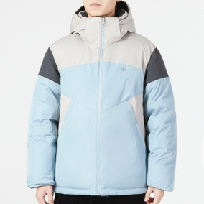 | HS9467 | L | MEN | Lifestyle | SPORTY DOWN | 494 | 184.30 € | 91,044.20 € | 4066748904136 | CN | 620240109100 | 0 | 100% REC.PES
 |  | M |  |  |  | 688 | 184.30 € | 126,798.40 € | 4066748904150
 |  | S |  |  |  | 390 | 184.30 € | 71,877.00 € | 4066748904167
 |  | XL |  |  |  | 218 | 184.30 € | 40,177.40 € | 4066748904082
 |  | XS |  |  |  | 151 | 184.30 € | 27,829.30 € | 4066748904129
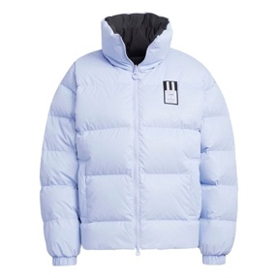 | HS9499 | 30 | WOMEN | Lifestyle | REVERSIBLE DOWN | 170 | 184.30 € | 31,331.00 € | 4066748965168 | CN | 621030001000 | 0 | 100% PU
 |  | 32 |  |  |  | 486 | 184.30 € | 89,569.80 € | 4066748965182
 |  | 34 |  |  |  | 378 | 184.30 € | 69,665.40 € | 4066748965212
 |  | 36 |  |  |  | 434 | 184.30 € | 79,986.20 € | 4066748961511
 |  | 38 |  |  |  | 318 | 184.30 € | 58,607.40 € | 4066748961535
 |  | 40 |  |  |  | 78 | 184.30 € | 14,375.40 € | 4066748965243
 |  | 42 |  |  |  | 8 | 184.30 € | 1,474.40 € | 4066748965229
 |  | 44 |  |  |  | 15 | 184.30 € | 2,764.50 € | 4066748965151
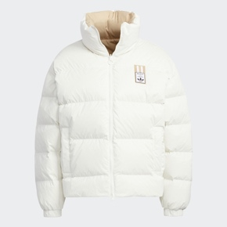 | HS9500 | 30 | WOMEN | Lifestyle | REVERSIBLE DOWN | 139 | 184.30 € | 25,617.70 € | 4066748953837 | CN | 621030001000 | 0 | 100% PU
 |  | 32 |  |  |  | 433 | 184.30 € | 79,801.90 € | 4066748953745
 |  | 34 |  |  |  | 364 | 184.30 € | 67,085.20 € | 4066748957484
 |  | 36 |  |  |  | 405 | 184.30 € | 74,641.50 € | 4066748953769
 |  | 38 |  |  |  | 273 | 184.30 € | 50,313.90 € | 4066748953790
 |  | 40 |  |  |  | 57 | 184.30 € | 10,505.10 € | 4066748953776
 |  | 42 |  |  |  | 11 | 184.30 € | 2,027.30 € | 4066748953844
 |  | 44 |  |  |  | 14 | 184.30 € | 2,580.20 € | 4066748953806
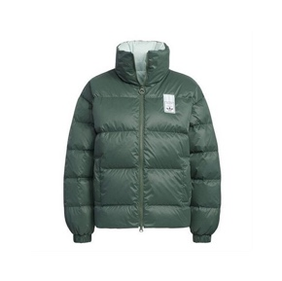 | HS9501 | 30 | WOMEN | Lifestyle | REVERSIBLE DOWN | 103 | 184.30 € | 18,982.90 € | 4066748961306 | CN | 621030001000 | 100% PU | 100% PU
 |  | 32 |  |  |  | 304 | 184.30 € | 56,027.20 € | 4066748961337
 |  | 34 |  |  |  | 252 | 184.30 € | 46,443.60 € | 4066748957699
 |  | 36 |  |  |  | 289 | 184.30 € | 53,262.70 € | 4066748961351
 |  | 38 |  |  |  | 198 | 184.30 € | 36,491.40 € | 4066748961436
 |  | 40 |  |  |  | 43 | 184.30 € | 7,924.90 € | 4066748961375
TOTAL ADIDAS WINTER JACKETS |  |  |  |  |  | 12,052 | 191.81 € | 2,311,705.90 €

